Notes
NOTES TO FINANCIAL STATEMENTS - TFI (drawn up for quarterly reporting periods) Name of the issuer: Atlantic Grupa d.d. Personal identification number (OIB): 71149912416 Reporting period: 1 January 2023 - 31 December 2023 Notes to financial statements for quarterly periods include: a) explanation of business events relevant to understanding changes in the statement of financial position and financial performance for the reporting semi-annual period of the issuer with respect to the last business year: information is provided regarding these events and relevant information published in the last annual financial statement is updated (items 15 to 15C IAS 34 - Interim financial reporting) b) information on the access to the latest annual financial statements, for the purpose of understanding information published in the notes to financial statements drawn up for the semi-annual reporting period c) a statement explaining that the same accounting policies are applied while drawing up financial statements for the semi-annual reporting period as in the latest annual financial statements or, in the case where the accounting policies have changed, a description of the nature and effect of the changes (item 16.A (a) IAS 34 - Interim financial reporting) d) a description of the financial performance in the case of the issuer whose business is seasonal (items 37 and 38 IAS 34 - Interim financial reporting) e) other comments prescribed by IAS 34 - Interim financial reporting f) in the notes to quarterly periods financial statements, in addition to the information stated above,

Non-consolidated financial results for the period ended 31 December 2023 have been prepared in accordance with IAS 34 – Interim Financial Reporting, as endorsed by the European Union (EU). Non-consolidated financial results do not include all the information and disclosures required in the annual financial statements and should be read in conjunction with the Company’s annual financial statements as of 31 December 2022. The Company’s annual financial statements are prepared in accordance with International Financial Reporting Standards (IFRS) as endorsed by EU. Financial statements are available on Atlantic Grupa web-site: www.atlanticgrupa.com.
The accounting policies adopted in the preparation of the non-consolidated financial results for the period ended 31 December 2023 are consistent with those followed in the preparation of the Company's annual financial statements for the year ended 31 December 2022.
The Company is not exposed to significant seasonal or cyclical changes in its operations.
Other disclosures prescribed by IAS 34 - Interim financial reporting that is not presented elsewhere in the statement of financial position, statement of comprehensive income, statement of cash flows and statement of changes in equity are disclosed in the non-consolidated financial results for the period ended 31 December 2023.
Issuer’s name, registered office (address), legal form, country of establishment, entity’s registration number are disclosed in the sheet General data of this document and in the General information of non-consolidated financial results for the period ended 31 December 2023.
Financial commitments in term of guarantees that are not included in the balance sheet are not material and Management Board believes that possibility of any outflow is remote. The Company has no commitments concerning pensions that are in scope of IAS 19.

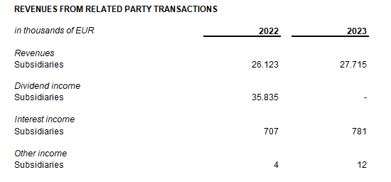
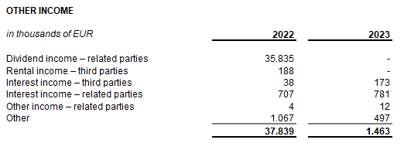

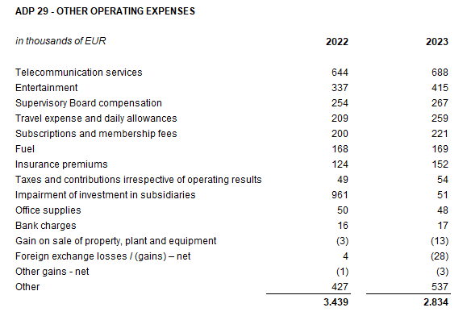

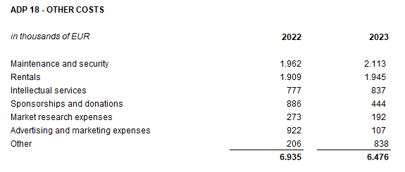

The Company enters into transactions with the related parties, owned by the Company, shareholders and other entities owned or controlled by the Company and ultimate controlling party. The table above shows related party transactions that relate to profit and loss account balances as at 31 December 2022 and as at 31 December 2023.
The company has no amounts owed falling due after more than five years. The company has no debt covered by valuable security.
In the period ended 31 December 2023, the average number of employees in the Company was 177. The Company does not categorise employees.
No cost of salaries was capitalised in the period ended 31 December 2023.
Provision for deferred tax, the deferred tax balances at the end of the current period, and the movement in those balances during the current period are shown below:
The Company no participating interest.
There were no shares subscribed during the current period within the limits of the authorised capital. At the Atlantic Grupa d.d. General Assembly held on 15 June 2022, the shareholders approved share split in a way that each of the Company’s ordinary shares with a nominal value of HRK 40.00 per share was split into four shares with a nominal amount of HRK 10.00 per share. Following the share split, the number of ordinary shares increased from 3,334,300 to 13,337,200 shares.
In accordance with the Law on the introduction of the euro as the official currency in the Republic of Croatia, the individual nominal amount of the share was recalculated from HRK 10.00 to EUR 1.33.
During 2023, the Company's share capital was increased from the share premium funds from the amount of EUR 17,701,506.40 by an amount of EUR 88,996,093.60, resulting in total amount of EUR 106,697,600.00.
After the increase, the Company's share capital amounts to EUR 106,697,600.00 and is divided into 13,337,200 ordinary shares with a nominal value of EUR 8.00.
The Company has no participation certificates, convertible debentures, warrants, options or similar securities or rights.
The Company has no shares in companies having unlimited liability.
Issuer's consolidated financial statements are the largest group of companies. The majority owner of the Issuer is MYBERG d.o.o.
There are no material events arising after the balance sheet date which are not reflected in the profit and loss account or balance sheet.
Lease liabilties arising from the application of IFRS 16 are stated under ADP 103 and ADP 115, while right-of-use assets are stated under ADP 12 and ADP 14.
Provisions are stated within liabilities by maturity - long-term provisions are stated under ADP 107 and short-term under AOP 123. Long-term provisions at 31 December 2023 amount EUR 233 thousand (31 December 2022: EUR 69 thousand), and short-term provisions amount EUR 1,545 thousand (31 December 2022: EUR 1,438 thousand).

