Notes
NOTES TO FINANCIAL STATEMENTS – QFS (drawn up for quarterly periods) Name of the issuer: Atlantic Grupa d.d. Personal identification number (OIB): 71149912416 Reporting period: 1 January 2026 - 30 June 2026 Notes to financial statements for quarterly periods include: a) explanation of business events relevant to understanding changes in the statement of financial position and financial performance for the quarterly reporting period of the issuer with respect to the last business year: information is provided regarding these events and relevant information published in the last annual financial statement is updated (paragraphs 15 to 15c of the IAS 34 – Interim Financial Reporting) b) information on the access to the latest annual financial statements, for the purpose of understanding information published in the notes to financial statements drawn up for the quarterly reporting period c) a statement explaining that the same accounting policies are applied while drawing up financial statements for the quarterly reporting period as in the latest annual financial statements or, in the case where the accounting policies have changed, a description of the nature and effect of the changes (paragraph 16A(a) of the IAS 34 – Interim Financial Reporting d) a description of the financial performance in the case of the issuer whose business is seasonal (paragraphs 37 and 38 of the IAS 34 – Interim Financial Reporting) e) other disclosures prescribed by the IAS 34 – Interim Financial Reporting, and f) in the notes to the quarterly financial statements, in addition to the information stated above, information in respect of the following matters shall be disclosed: 1. issuer’s name, registered office (address), legal form, country of establishment, entity’s registration number and, if applicable, the indication whether the issuer is undergoing liquidation, bankruptcy proceedings, shortened termination proceedings or extraordinary administration 2. adopted accounting policies

The condensed consolidated financial statements for the six-month period ended 30 June 2026 have been prepared in accordance with IAS 34 – Interim Financial Reporting, as endorsed by the European Union (EU). The condensed consolidated financial statements do not include all the information and disclosures required in the annual financial statements and should be read in conjunction with the Group’s annual consolidated financial statements as of 31 December 2025. The Group’s annual consolidated financial statements are prepared in accordance with International Financial Reporting Standards (IFRS) as endorsed by EU. Financial statements are available on Atlantic Grupa web-site: www.atlanticgrupa.com.
The accounting policies adopted in the preparation of the condensed consolidated financial statements for the six-month period ended 30 June 2026 are consistent with those followed in the preparation of the Group’s annual consolidated financial statements for the year ended 31 December 2025.
The Group is not exposed to significant seasonal or cyclical changes in its operations.
At the date of approval of condensed consolidated financial statements for the six-month period ended 30 June 2026, Atlantic Grupa's business operations are running smoothly. By selling the baby food business in 2021, Atlantic Grupa has significantly reduced its exposure in Russia and CIS markets. Consequently, war events do not have a direct material impact on Atlantic Grupa's operations, while indirect consequences, primarily in the form of additional supply chains issues and inflationary pressures, are closely monitored by Atlantic Grupa’s management which undertakes all available measures to reduce risks in the given circumstances.
Other disclosures prescribed by IAS 34 - Interim financial reporting that is not presented elsewhere in the statement of financial position, statement of comprehensive income, statement of cash flows and statement of changes in equity are disclosed in the Notes 4 to 11 of the condensed consolidated financial statements for the six-month period ended 30 June 2026.
Issuer’s name, registered office (address), legal form, country of establishment, entity’s registration number are disclosed in the sheet General data of this document and in the Note 1 of condensed consolidated financial statements for the six-month period ended 30 June 2026.
Financial commitments at the consolidated level in term of guarantees that are not included in the balance sheet are not material and Management Board believes that possibility of any outflow is remote. Group has no commitments concerning pensions that are in scope of IAS 19.

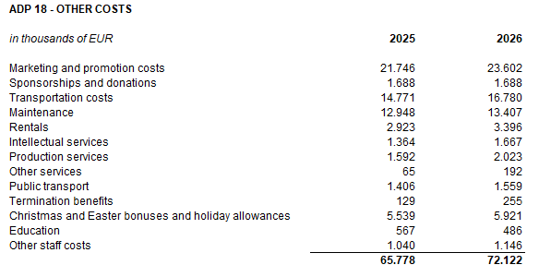
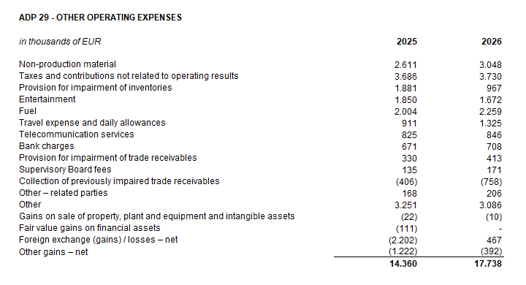

Amounts owed by the Group and falling due after more than five years relate to lease liabilities. The contractual undiscounted cash flows of lease liabilities falling due after more than five year at 30 June 2026 amount EUR 47,532 thousand.
At 30 June 2026 Group has no pledges over property, plant and equipment and has no pledges over intangible assets and shares of subsidiaries.
In the six-month period ended 30 June 2026, the average number of employees in the Group was 5,901. Group does not categorise employees.
During the six-month period ended 30 June 2026, salary costs of EUR 29 thousand were capitalised (2025: -).
Provision for deferred tax, the deferred tax balances at the end of the current period, and the movement in those balances during the current period are shown below:
Group has no participating interest.
There were no shares subscribed during the current period within the limits of the authorised capital.
Group has no participation certificates, convertible debentures, warrants, options or similar securities or rights.
Group has no shares in companies having unlimited liability.
Issuer's consolidated financial statements are the largest group of companies. The majority owner of the Issuer is MYBERG d.o.o.
Related parties transactions are disclosed in the Note 10 to the condensed consolidated financial statements for the six-month period ended 30 June 2026.
There are no material events arising after the balance sheet date which are not reflected in the profit and loss account or balance sheet.
Lease liabilties arising from the application of IFRS 16 are stated under ADP 104 and ADP 116, while right-of-use assets are stated under ADP 11 to ADP 13.
Provisions are stated within liabilities by maturity - long-term provisions are stated under ADP 108 and short-term under AOP 124. Long-term provisions at 30 June 2026 amount EUR 10,724 thousand (31 December 2025: EUR 10,712 thousand), and short-term provisions amount EUR 2,766 thousand (31 December 2025: EUR 5,557 thousand).

